Sheet1
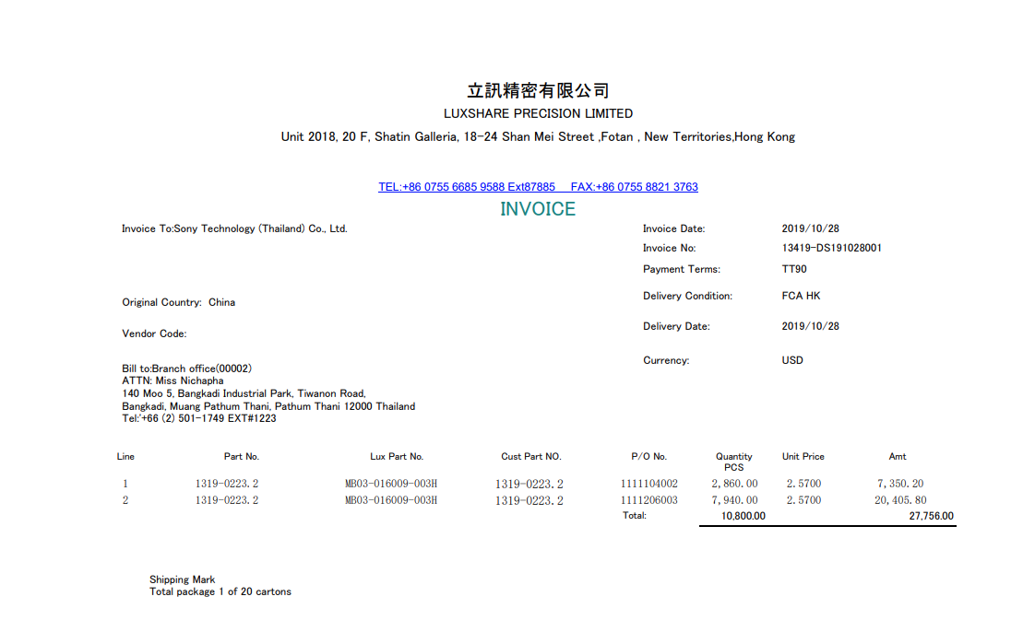

INVOICE _NO

PO_NO
UNIT_PRICE
ITEM_NO
QTY
AMOUNT

